IMPORTANT NOTICE
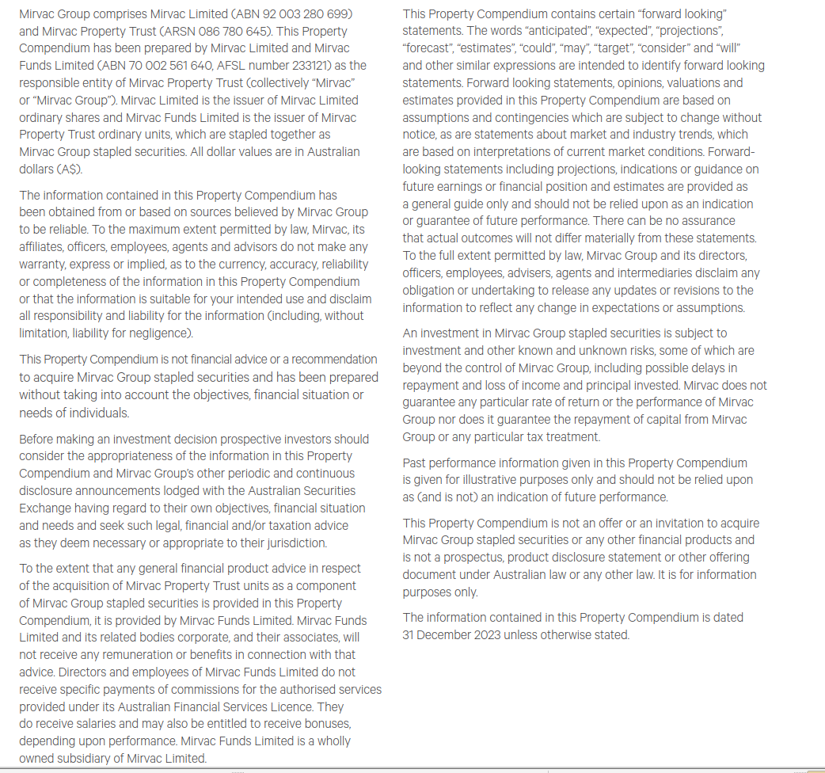
This document is an extract of information found in the Property Compendium

INVESTMENT PORTFOLIO
INVESTMENT: 1H24 GEOGRAPHIC DIVERSIFICATION* |  |  |  |  | INVESTMENT: 1H24 DIVERSIFICATION BY SECTOR**

**By valuation, including assets held for sale, properties being held for development, and 53 Walker Street & 97 Pacific Highway, North Sydney, and South Eveleigh Carpark, but excluding Mirvac co-investments, IPUC and other investments. |  |  |  |  | **By valuation, including Mirvac co-investments, assets held for sale, properties being held for development, and 53 Walker Street & 97 Pacific Highway, North Sydney, and South Eveleigh Carpark, but excluding IPUC.

NSW | 63% |  |  |  | Office | 63%
VIC | 20% |  |  |  | Industrial | 13%
QLD | 11% |  |  |  | Retail | 21%
ACT | 4% |  |  |  | Build to Rent | 3%
WA | 2% |  |  |  |  | 100%
 | 100%

INVESTMENT: LEASE EXPIRY PROFILE (by income)***

***By income including assets held for sale, but excluding IPUC, BTR, Mirvac co-investments, and properties being held for development

Year | Vacant | 2H24 | FY25 | FY26 | FY27 | FY28 | FY29+
Expiry profile | 5% | 8% | 9% | 6% | 14% | 9% | 49% | 100%

OFFICE PORTFOLIO
OFFICE: 1H24 DIVERSIFICATION BY GRADE |  |  |  |  |  |  | OFFICE: 1H24 GEOGRAPHIC DIVERSIFICATION

*By valuation, including properties held for sale, but excluding IPUC and Mirvac's MWOF co-investment at equity value. |  |  |  |  |  |  | *By valuation, including properties being held for development, and properties held for sale but excluding IPUC and Mirvac's MWOF co-investment at equity value.

Premium | 46% |  |  |  |  |  | Sydney | 54%
A Grade | 54% |  |  |  |  |  | Melbourne | 31%
 | 100% |  |  |  |  |  | Brisbane | 6%
 |  |  |  |  |  |  | Canberra | 5%
 |  |  |  |  |  |  | Perth | 4%
 |  |  |  |  |  |  |  | 100%

OFFICE: LEASE EXPIRY PROFILE (by income)

Year | Vacant | 2H24 | FY25 | FY26 | FY27 | FY28 | FY29+
Expiry profile | 7% | 2% | 9% | 5% | 16% | 8% | 53% | 100%

INDUSTRIAL PORTFOLIO
INDUSTRIAL: 1H24 GEOGRAPHIC DIVERSIFICATION* |  | INDUSTRIAL: LEASE EXPIRY PROFILE (by income)

*By valuation excluding assets held in funds.

Sydney | 100% | Year | Vacant | 2H24 | FY25 | FY26 | FY27 | FY28 | FY29+
 | 100% | Expiry profile | 1% | 3% | 2% | 4% | 6% | 9% | 75% | 100%

RETAIL PORTFOLIO
RETAIL: 1H24 DIVERSIFICATION BY GRADE* |  |  |  |  |  |  | RETAIL: 1H24 GEOGRAPHIC DIVERSIFICATION**

*By valuation, excluding IPUC/properties held for development. As per PCA classification. |  |  |  |  |  |  | **By valuation, excluding IPUC/properties held for development.

Regional | 47% |  |  |  |  |  | NSW | 64%
Sub regional | 26% |  |  |  |  |  | QLD | 29%
Outlet | 17% |  |  |  |  |  | VIC | 4%
Neighbourhood | 7% |  |  |  |  |  | ACT | 3%
CBD Retail | 3% |  |  |  |  |  |  | 100%
 | 100%

RETAIL: LEASE EXPIRY PROFILE (by income)

Year | Vacant | 2H24 | FY25 | FY26 | FY27 | FY28 | FY29+
Expiry profile | 2% | 27% | 13% | 9% | 13% | 10% | 26% | 100%

