IMPORTANT NOTICE
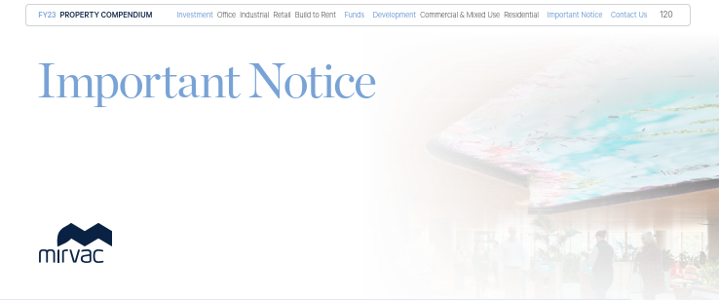
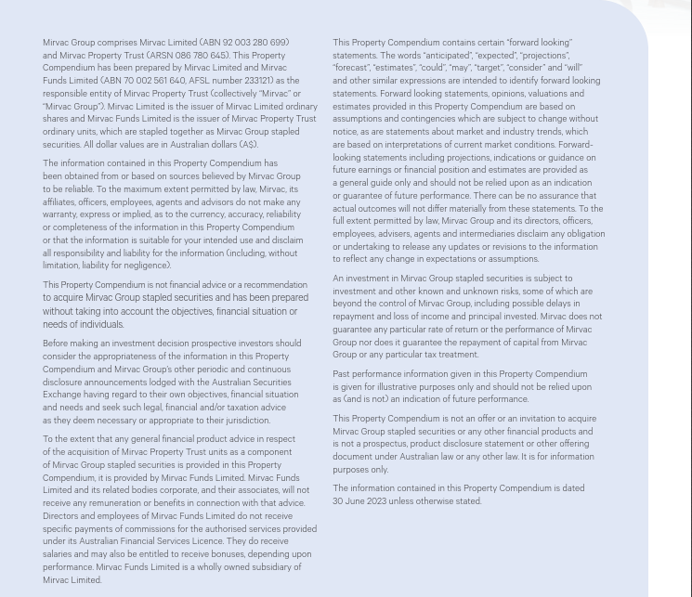
This document is an extract of information found in the Property Compendium

INVESTMENT PORTFOLIO
INVESTMENT: FY23 GEOGRAPHIC DIVERSIFICATION* |  |  |  |  | INVESTMENT: FY23 DIVERSIFICATION BY SECTOR**

**By valuation, including assets held for sale, properties being held for development, and 53 Walker Street & 97 Pacific Highway, North Sydney, and South Eveleigh Carpark, but excluding Mirvac co-investments, IPUC and other investments. |  |  |  |  | **By valuation, including Mirvac co-investments, assets held for sale, properties being held for development, and 53 Walker Street & 97 Pacific Highway, North Sydney, and South Eveleigh Carpark, but excluding IPUC.

NSW | 63% |  |  |  | Office | 65%
VIC | 20% |  |  |  | Industrial | 13%
QLD | 11% |  |  |  | Retail | 20%
ACT | 4% |  |  |  | Build to Rent | 2%
WA | 2% |  |  |  |  | 100%
 | 100%

INVESTMENT: LEASE EXPIRY PROFILE (by income)

Year | Vacant | FY24 | FY25 | FY26 | FY27 | FY28 | FY29+
Expiry profile | 5% | 5% | 16% | 7% | 13% | 8% | 46% | 100%

OFFICE PORTFOLIO
OFFICE: FY23 DIVERSIFICATION BY GRADE |  |  |  |  |  |  | OFFICE: FY23 GEOGRAPHIC DIVERSIFICATION

*By valuation, including properties held for sale, but excluding IPUC and Mirvac's MWOF co-investment at equity value. |  |  |  |  |  |  | *By valuation, including properties being held for development, and properties held for sale but excluding IPUC and Mirvac's MWOF co-investment at equity value.

Premium | 42% |  |  |  |  |  | Sydney | 57%
A Grade | 57% |  |  |  |  |  | Melbourne | 29%
B Grade | 1% |  |  |  |  |  | Perth | 6%
 | 100% |  |  |  |  |  | Brisbane | 5%
 |  |  |  |  |  |  | Canberra | 3%
 |  |  |  |  |  |  |  | 100%

OFFICE: LEASE EXPIRY PROFILE (by income)

Year | Vacant | FY24 | FY25 | FY26 | FY27 | FY28 | FY29+
Expiry profile | 6% | 7% | 10% | 5% | 16% | 8% | 48% | 100%

INDUSTRIAL PORTFOLIO
INDUSTRIAL: FY23 GEOGRAPHIC DIVERSIFICATION* |  | INDUSTRIAL: LEASE EXPIRY PROFILE (by income)

*By valuation excluding assets held in funds.

Sydney | 100% | Year | Vacant | FY24 | FY25 | FY26 | FY27 | FY28 | FY29+
 | 100% | Expiry profile | 0% | 10% | 4% | 5% | 7% | 10% | 64% | 100%

RETAIL PORTFOLIO
RETAIL: FY23 DIVERSIFICATION BY GRADE* |  |  |  |  |  |  | RETAIL: FY23 GEOGRAPHIC DIVERSIFICATION**

*By valuation, excluding IPUC/properties held for development. As per PCA classification. |  |  |  |  |  |  | **By valuation, excluding IPUC/properties held for development.

Regional | 44% |  |  |  |  |  | NSW | 62%
Sub regional | 25% |  |  |  |  |  | QLD | 31%
Outlet | 16% |  |  |  |  |  | VIC | 4%
Neighbourhood | 7% |  |  |  |  |  | ACT | 3%
CBD Retail | 4% |  |  |  |  |  |  | 100%
Other | 4%
 | 100%

RETAIL: LEASE EXPIRY PROFILE (by income)

Year | Vacant | FY24 | FY25 | FY26 | FY27 | FY28 | FY29+
Expiry profile | 3% | 34% | 13% | 8% | 12% | 8% | 22% | 100%

