IMPORTANT NOTICE
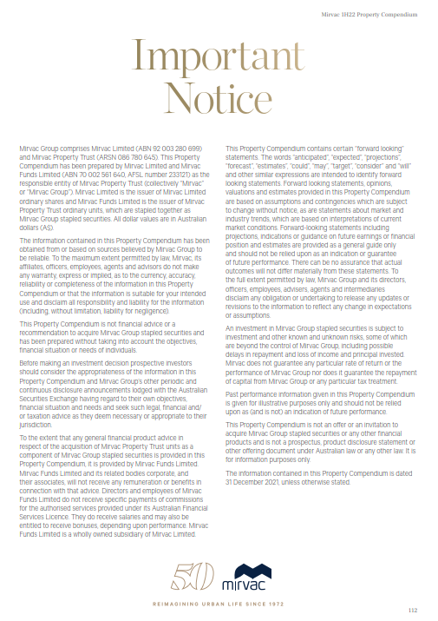

INVESTMENT PORTFOLIO
INVESTMENT: 1H22 GEOGRAPHIC DIVERSIFICATION |  |  |  |  | INVESTMENT: 1H22 DIVERSIFICATION BY SECTOR

NSW | 63% |  |  |  | Office | 61%
VIC | 21% |  |  |  | Industrial | 12%
QLD | 10% |  |  |  | Retail | 23%
WA | 3% |  |  |  | Build to Rent | 4%
ACT | 3% |  |  |  |  | 100%
 | 100%

INVESTMENT: LEASE EXPIRY PROFILE (by income)

Year | Vacant | 2H22 | FY23 | FY24 | FY25 | FY26 | FY27+
Expiry profile | 5% | 7% | 9% | 10% | 11% | 7% | 51% | 100%

OFFICE PORTFOLIO
OFFICE: 1H22 DIVERSIFICATION BY GRADE |  |  |  |  |  |  | OFFICE: 1H22 GEOGRAPHIC DIVERSIFICATION

Premium | 37% |  |  |  |  |  | Sydney | 56%
A Grade | 61% |  |  |  |  |  | Melbourne | 29%
B Grade | 1% |  |  |  |  |  | Perth | 6%
Other | 1% |  |  |  |  |  | Canberra | 5%
 | 100% |  |  |  |  |  | Brisbane | 4%
 |  |  |  |  |  |  |  | 100%

OFFICE: LEASE EXPIRY PROFILE (by income)

Year | Vacant | 2H22 | FY23 | FY24 | FY25 | FY26 | FY27+
Expiry profile | 6% | 2% | 7% | 8% | 11% | 7% | 59% | 100%

INDUSTRIAL PORTFOLIO
INDUSTRIAL: 1H22 GEOGRAPHIC DIVERSIFICATION |  | INDUSTRIAL: LEASE EXPIRY PROFILE (by income)

Sydney | 100% | Year | Vacant | 2H22 | FY23 | FY24 | FY25 | FY26 | FY27+
 | 100% | Expiry profile | 0% | 1% | 7% | 16% | 4% | 5% | 67% | 100%

RETAIL PORTFOLIO
RETAIL: 1H22 DIVERSIFICATION BY GRADE |  |  |  |  |  |  | RETAIL: 1H22 GEOGRAPHIC DIVERSIFICATION

Regional | 44% |  |  |  |  |  | NSW | 64%
Sub regional | 25% |  |  |  |  |  | QLD | 31%
Outlet | 13% |  |  |  |  |  | VIC | 3%
CBD Retail | 11% |  |  |  |  |  | ACT | 2%
Neighbourhood | 7% |  |  |  |  |  |  | 100%
 | 100%

RETAIL: LEASE EXPIRY PROFILE (by income)

Year | Vacant | 2H22 | FY23 | FY24 | FY25 | FY26 | FY27+
Expiry profile | 3% | 21% | 16% | 12% | 11% | 7% | 30% | 100%

