Information
ESG Analyst Toolkit

In 2014, our sustainability strategy, This Changes Everything, took flight. We set some ambitious targets and we’re proud of our achievements so far. When we refreshed our strategy in 2018, we focused on purpose and focus. We’re looking at what matters most to Mirvac and our stakeholders so that we can drive even deeper results and deliver on our purpose to Reimagine Urban Life, sustainably. One of our new committments in the refreshed strategy is to be a trusted partner, and some of our key milestones for this are to: - provide consistently clear guidance around earnings; and - transparently report on inclusive growth (value returned to our communities, our planet, and our securityholders)

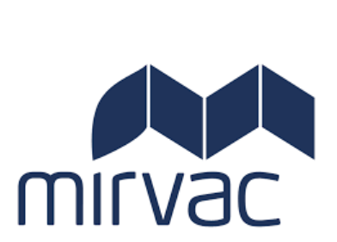
This toolkit has been prepared as part of our annual sustainability reporting process. It contains additional detail over and above that in the annual report for key metrics, so that our performance against our commitments in This Changes Everything can be measured. For all metrics (except workforce), the past four years data is provided for trending purposes.

Figures in red text have been assured by PwC. Further details on the assurance provided in the PwC assurance statement

Figures in blue have been verified by the LBG Australia and New Zealand

Community Investment

Community Investment | FY14 | FY15 | FY16 | FY17 | FY18 | FY19
Community Investment ($million) | $1.254 | $1.888 | $2.065 | $1.750 | $3.173 | $16.139
Hours of support (hours) | 4,761 | 6,903 | 8,127 | - | - | -
Value of staff time ($) | $239,535 | $356,289 | $406,035 | $382,560 | $285,600 | $951,967
Cash donations ($) | $814,533 | $1,106,007 | $1,088,035 | $886,266 | $1,827,573 | $12,949,691
Leverage ($) |  |  | $321,957 | $637,893 | $432,303 | $728,218

The LBG model helps businesses improve the measurement, management and reporting of their corporate community investment programs. It covers the full range of contributions (cash, time and in-kind donations as well as management costs) made to community causes.

In 2018 Mirvac refreshed it's sustainability strategy, This Changes Everything, and set a target to triple our community investment by 2022 on an FY17 baseline. We hit that target three years early, reporting a total community investment of $16,139,531. We exceeded this target due to tightened reporting and by capturing part of the cost of delivering community amenity above what is expected of us.

