Information
In 2014, our sustainability strategy, This Changes Everything, took flight. We set some ambitious targets and we're proud of our achievements so far. When we refreshed our strategy in 2018, we focused on purpose and materiality. We look at what matters most to Mirvac and our stakeholders so that we can drive even deeper results and deliver on our purpose to Reimagine Urban Life, sustainability.

One of our commitments is to be a trusted partner, and some of our key milestones for this are to:
- provide consistently clear guidance around earnings; and
- transparently report on inclusive growth (value returned to our communities, our planet, and our securityholders)

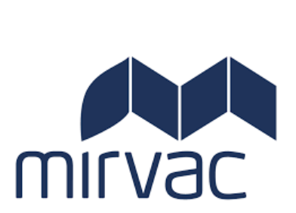
This toolkit has been prepared as part of our annual sustainability reporting process. It contains additional detail over and above that in the annual report for key metrics, so that our performance against our commitments in This Changes Everything can be measured. For all metrics (except workforce), the past four years data is provided for trending purposes.

Figures in red text have been assured by PwC. Further details on the assurance provided in the PWC assurance letter.

Figures in green have been verified by the LBG Australia and New Zealand.

Workforce
Employment Type by Gender |  |  |  | Access to Flexibility |  |  |  | Staff Engagement |  |  |  |  |  |  | Level from CEO
 | Female | Male | Total |  | 2019 |  |  |  |  | Engagement Score |  |  |  |  |  | Female | Male
Casual Staff | 25 | 20 | 45 | Formal Flexibility Arrangement | 75% |  |  | 2018 |  | 90% |  |  |  |  | CEO | 100% | 0%
Fixed Term Full Time | 52 | 38 | 90 | Informal Flexibility Arrangement |  |  |  | 2019 |  | 90% |  |  |  |  | 1 level from CEO | 22% | 78%
Fixed Term Part Time | 8 | 5 | 13 |  |  |  |  |  |  |  |  |  |  |  | 2 levels from CEO | 54% | 46%
Permanent Full-Time | 464 | 716 | 1,180 | Staff on Collective Bargaining Agreement |  |  |  | Staff Turnover |  |  |  |  |  |  | 3 levels from CEO | 52% | 48%
Permanent Part-Time | 80 | 6 | 86 |  |  |  |  |  |  |  |  |  |  |  | 4 levels from CEO | 50% | 50%
Total | 629 | 785 | 1,414 | On an agreement | 19% |  |  |  |  | Voluntary Turnover |  |  |  |  | 5 levels from CEO | 49% | 51%
 |  |  |  | Not on an agreement | 81% |  |  | FY20 |  | 11.9% |  |  |  |  | 6 & above levels from CEO | 23% | 77%

Board of Directors by Age & Gender |  |  |  | Absenteeism (%)
 | Female | Male | Total |  | NSW |  | QLD |  | VIC |  | WA |  | Mirvac (Total)
Under 30 years | - | - | 0 |  | Female | Male | Female | Male | Female | Male | Female | Male | Female | Male
30-50 years | - | - | 0 | Absenteeism Rate | 1.2% | 1.2% | 1.1% | 1.3% | 1.1% | 1.3% | 1.3% | 1.2% | 1.2% | 1.2%
Over 50 years | 4 | 4 | 8 | State Total | 1.2% |  | 1.2% |  | 1.3% |  | 1.2% |  | 1.2%
Total | 4 | 4 | 8

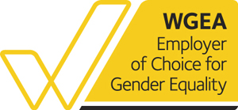
Employment by Region & Gender |  |  |  | Parental Leave Return |  |  |  |  |  |  |  |  |  |  | Gender Pay Gap
 | Female | Male | Total |  | Female | Male |  |  |  |  |  |  |  |  | Period | Like-for-like Gender Pay Gap
New South Wales | 451 | 528 | 979 | Entitled to parental leave % | 94% | 94% | >6 month continuous service for permanent employees |  |  |  |  |  |  |  | 2016-17 | 0%
Queensland | 57 | 74 | 131 | On parental leave during FY20 | 75 | 52 |  |  |  |  |  |  |  |  | 2017-18 | 0%
Victoria | 95 | 155 | 250 | Planned Return to work (FY20) | 38 | 45 |  |  |  |  |  |  |  |  | 2018-19 | 0%
Western Australia | 26 | 28 | 54 | Actual Return to work | 35 | 43 |  |  |  |  |  |  |  |  | 2019-20 | submission in progress
Total | 629 | 785 | 1,414 | Return to work rate (%) | 92% | 96% |  |  |  |  |  |  |  |  | Mirvac is compliant with the Workplace Gender Equality Agency's reporting requirements
 |  |  |  | Mirvac offers 20 weeks paid parental leave for primary carers and 4 weeks paid parental leave for secondary carers for all permanent employees with more than 6 months continuous service.
Gender Breakdown
 | Female | Male
Mirvac Group | 44% | 56%
Mirvac Board | 50% | 50%
Mirvac Senior Executive Mngr | 44% | 56%

 |  |  |  |  |  |  |  |  |  |  |  |  |  |  |  | Assured figures are in red.

Community Investment
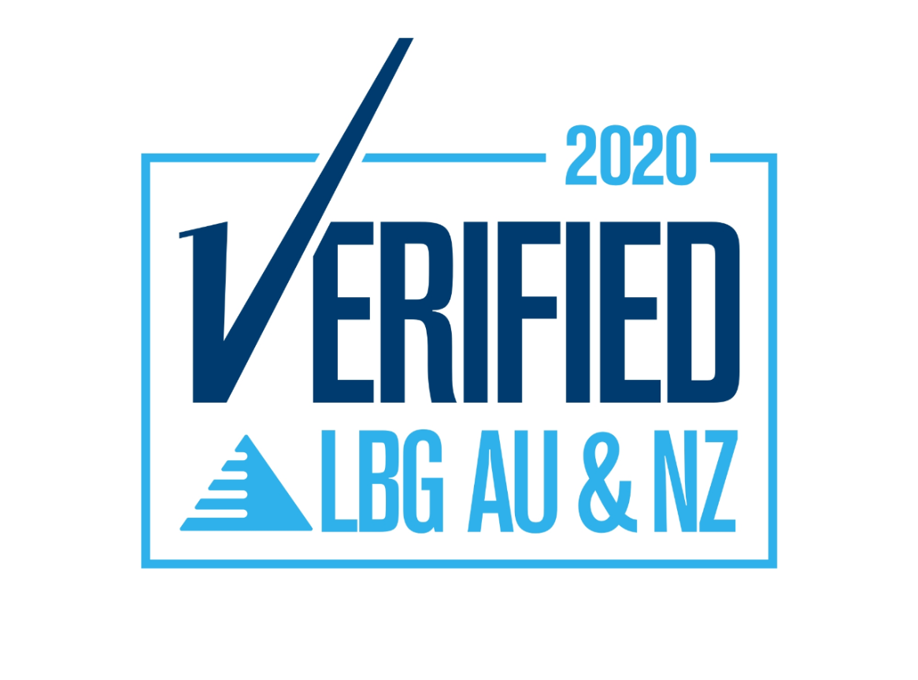
Community Investment | FY14 | FY15 | FY16 | FY17 | FY18 | FY19 | FY20
Community Investment ($million) | $1.254 | $1.888 | $2.065 | $1.750 | $3.173 | $16.139 | $9.314
Hours of support (hours) | $4,761 | $6,903 | $8,127 | - | - | - | -
Value of staff time ($) | $239,535 | $356,289 | $406,035 | $382,560 | $285,600 | $951,967 | $743,036.00
Cash donations ($) | $814,533 | $1,106,007 | $1,088,035 | $886,266 | $1,827,573 | $12,949,691 | $7,647,531
Leverage ($) |  |  | $321,957 | $637,893 | $432,303 | $728,218 | $1,080,028

The LBG model helps businesses improve the measurement, management and reporting of their corporate community investment programs. It covers the full range of contributions (cash, time and in-kind donations as well as management costs) made to community causes.

In 2018 Mirvac refreshed its sustainability strategy, This Changes Everything, and set a target to triple our community investment by 2022 on an FY17 baseline. We hit that target three years early in FY19, reporting a total community investment of $16,139,531. We exceeded this target due to more effect data capture and reporting and by identifying part of the cost of delivering community amenity above what is expected of us.

